Sheet1
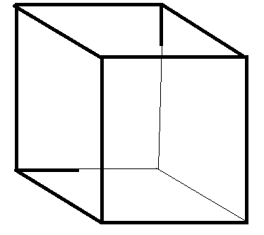
 |  |  |  |  |  |  |  |  | Vertex List
 |  | 7 |  |  | 6 |  |  |  | 0 | -1 | -1 | 1
 |  |  |  |  |  |  |  |  | 1 | 1 | -1 | 1
 |  |  |  |  |  |  |  |  | 2 | 1 | 1 | 1
 |  |  |  |  |  |  |  |  | 3 | -1 | 1 | 1
 |  |  |  |  |  |  |  | 2 | 4 | -1 | -1 | -1
 |  |  |  |  |  |  |  |  | 5 | 1 | -1 | -1
 | 3 |  |  |  |  |  |  |  | 6 | 1 | 1 | -1
 |  |  |  |  |  |  |  |  | 7 | -1 | 1 | -1

 |  |  |  |  |  |  |  | 5
 | 4

 |  |  |  | 0 |  |  | 1

 | Index (Face) List |  |  |  | Texture Index (Face) list
Front | 0 | 1 | 2 |  | 3 | 4 | 9
 | 0 | 2 | 3 |  | 3 | 9 | 8
Top | 2 | 6 | 7 |  | 9 | 13 | 12
 | 2 | 7 | 3 |  | 9 | 12 | 8
Left | 0 | 3 | 7 |  | 3 | 8 | 7
 | 0 | 7 | 4 |  | 3 | 7 | 2
Back | 4 | 7 | 6 |  | 6 | 11 | 10
 | 4 | 6 | 5 |  | 6 | 10 | 5
Bottom | 0 | 4 | 5 |  | 3 | 0 | 1
 | 0 | 5 | 1 |  | 3 | 1 | 4
Right | 1 | 5 | 6 |  | 4 | 5 | 10
 | 1 | 6 | 2 |  | 4 | 10 | 9

